overzicht locaties
locaties | Date | Latitude | Longitude | Datum | waarden boven NAP in cm | monstercode | Locatie |  | Monsternr |  | Monsternr | Diepte | Begindiepte'
M1 | 2017-08-02 11:11:35 | 51 59,968 | 4 07,558 | WGS84 | 170 | Z1.2.2 | Z1-2 | 42949.381181 | 2 | 42951.381181 | 1 | 0-2 cm | 0
M2 | 2017-08-02 11:58:42 | 52 00,093 | 4 07,724 | WGS84 | 185 | Z1.2.3 | Z1-2 | 42949.381181 | 3 | 42999.381181 | 2 | 2-10 cm | 2
M3 | 2017-08-02 12:15:28 | 52 00,144 | 4 07,786 | WGS84 | 165 | Z1.2.4 | Z1-2 | 42949.381181 | 4 | 43039.381181 | 3 | 50-60 cm | 50
M4 | 2017-08-02 12:40:52 | 52 00,189 | 4 07,843 | WGS84 | 163 | Z1.3.2 | Z1-3 | 42949.412303 | 2 | 42951.412303 | 4 | 90-100 cm | 90
M5 | 2017-08-02 14:50:21 | 52 00,250 | 4 07,928 | WGS84 | 144 | Z1.3.3 | Z1-3 | 42949.412303 | 3 | 42999.412303
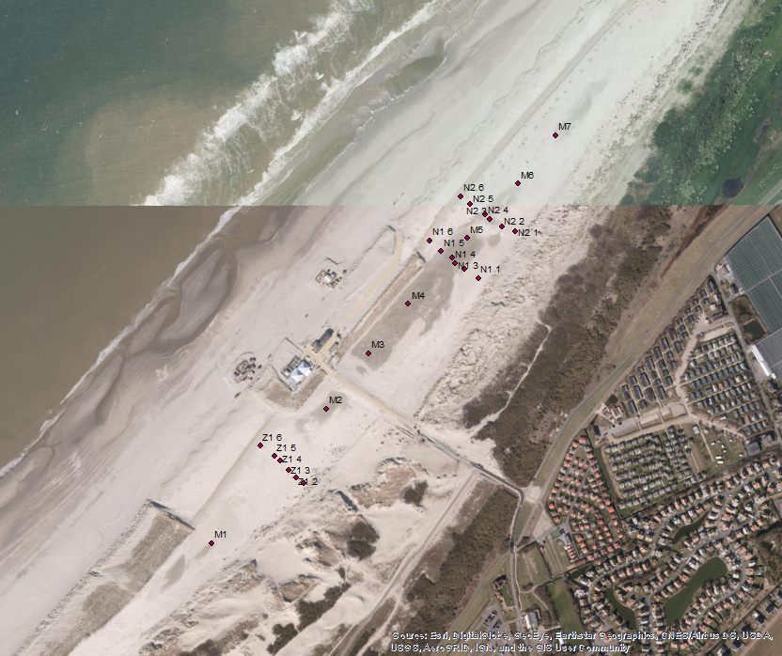
M6 | 2017-08-02 16:27:10 | 52 00,300 | 4 08,002 | WGS84 | 154 | Z1.3.4 | Z1-3 | 42949.412303 | 4 | 43039.412303
M7 | 2017-08-02 16:38:40 | 52 00,345 | 4 08,056 | WGS84 | 178 | Z1.4.2 | Z1-4 | 42949.423426 | 2 | 42951.423426
N1-1 | 2017-08-02 13:11:12 | 52 00,214 | 4 07,946 | WGS84 | onvindbaar | Z1.4.3 | Z1-4 | 42949.423426 | 3 | 42999.423426
N1-2 | 2017-08-02 13:35:29 | 52 00,222 | 4 07,925 | WGS84 | 168 | Z1.4.4 | Z1-4 | 42949.423426 | 4 | 43039.423426
N1-3 | 2017-08-02 13:56:33 | 52 00,227 | 4 07,911 | WGS84 | 145 | Z1.5.2 | Z1-5 | 42949.436366 | 2 | 42951.436366
N1-4 | 2017-08-02 14:11:37 | 52 00,232 | 4 07,907 | WGS84 | 144 | Z1.5.3 | Z1-5 | 42949.436366 | 3 | 42999.436366
N1-5 | 2017-08-02 14:24:20 | 52 00,238 | 4 07,891 | WGS84 | 154 | Z1.5.4 | Z1-5 | 42949.436366 | 4 | 43039.436366
N1-6 | 2017-08-02 14:37:23 | 52 00,247 | 4 07,873 | WGS84 | niet te meten | N1.2.2 | N1-2 | 42949.566308 | 2 | 42951.566308
N2-1 | 2017-08-02 15:03:45 | 52 00,257 | 4 07,999 | WGS84 | 246 | N1.2.3 | N1-2 | 42949.566308 | 3 | 42999.566308
N2-2 | 2017-08-02 15:14:03 | 52 00,261 | 4 07,979 | WGS84 | 168 | N1.2.4 | N1-2 | 42949.566308 | 4 | 43039.566308
N2-3 | 2017-08-02 15:29:41 | 52 00,267 | 4 07,961 | WGS84 | 157 | N1.3.2 | N1-3 | 42949.580938 | 2 | 42951.580938
N2-4 | 2017-08-02 15:44:47 | 52 00,272 | 4 07,954 | WGS84 | 147 | N1.3.3 | N1-3 | 42949.580938 | 3 | 42999.580938
N2-5 | 2017-08-02 16:01:14 | 52 00,281 | 4 07,932 | WGS84 | 243 | N1.3.4 | N1-3 | 42949.580938 | 4 | 43039.580938
N2-6 | 2017-08-02 16:11:35 | 52 00,288 | 4 07,918 | WGS84 | niet te meten | N1.4.2 | N1-4 | 42949.5914 | 2 | 42951.5914
Z1-1 | 2017-08-02 08:41:54 | 52 00,024 | 4 07,694 | WGS84 | 310 | N1.4.3 | N1-4 | 42949.5914 | 3 | 42999.5914
Z1-2 | 2017-08-02 09:08:54 | 52 00,029 | 4 07,682 | WGS84 | 270 | N1.4.4 | N1-4 | 42949.5914 | 4 | 43039.5914
Z1-3 | 2017-08-02 09:53:43 | 52 00,036 | 4 07,671 | WGS84 | 222 | N1.5.2 | N1-5 | 42949.600231 | 2 | 42951.600231
Z1-4 | 2017-08-02 10:09:44 | 52 00,044 | 4 07,658 | WGS84 | 203 | N1.5.3 | N1-5 | 42949.600231 | 3 | 42999.600231
Z1-5 | 2017-08-02 10:28:22 | 52 00,048 | 4 07,650 | WGS84 | 197 | N1.5.4 | N1-5 | 42949.600231 | 4 | 43039.600231
Z1-6 | 2017-08-02 10:48:09 | 52 00,058 | 4 07,628 | WGS84 | 263 | N2.2.2 | N2-2 | 42949.634757 | 2 | 42951.634757
 |  |  |  |  |  | N2.2.3 | N2-2 | 42949.634757 | 3 | 42999.634757
 |  |  |  |  |  | N2.3.2 | N2-3 | 42949.645613 | 2 | 42951.645613
 |  |  |  |  |  | N2.3.3 | N2-3 | 42949.645613 | 3 | 42999.645613
 |  |  |  |  |  | N2.4.2 | N2-4 | 42949.6561 | 2 | 42951.6561
 |  |  |  |  |  | N2.4.3 | N2-4 | 42949.6561 | 3 | 42999.6561
 |  |  |  |  |  | N2.5.2 | N2-5 | 42949.667523 | 2 | 42951.667523
 |  |  |  |  |  | N2.5.3 | N2-5 | 42949.667523 | 3 | 42999.667523
 |  |  |  |  |  | M1.1 | M1 | 42949.466377 | 1 | 42949.466377
 |  |  |  |  |  | M1.2 | M1 | 42949.466377 | 2 | 42951.466377
 |  |  |  |  |  | M1.3 | M1 | 42949.466377 | 3 | 42999.466377
 |  |  |  |  |  | M2.1 | M2 | 42949.499097 | 1 | 42949.499097
 |  |  |  |  |  | M2.2 | M2 | 42949.499097 | 2 | 42951.499097
 |  |  |  |  |  | M2.3 | M2 | 42949.499097 | 3 | 42999.499097
 |  |  |  |  |  | M3.1 | M3 | 42949.510741 | 1 | 42949.510741
 |  |  |  |  |  | M3.2 | M3 | 42949.510741 | 2 | 42951.510741
 |  |  |  |  |  | M3.3 | M3 | 42949.510741 | 3 | 42999.510741
 |  |  |  |  |  | M4.1 | M4 | 42949.52838 | 1 | 42949.52838
 |  |  |  |  |  | M4.2 | M4 | 42949.52838 | 2 | 42951.52838
 |  |  |  |  |  | M4.3 | M4 | 42949.52838 | 3 | 42999.52838
 |  |  |  |  |  | M5.1 | M5 | 42949.618299 | 1 | 42949.618299
 |  |  |  |  |  | M5.2 | M5 | 42949.618299 | 2 | 42951.618299
 |  |  |  |  |  | M5.3 | M5 | 42949.618299 | 3 | 42999.618299
 |  |  |  |  |  | M6.1 | M6 | 42949.685532 | 1 | 42949.685532
 |  |  |  |  |  | M6.2 | M6 | 42949.685532 | 2 | 42951.685532
 |  |  |  |  |  | M6.3 | M6 | 42949.685532 | 3 | 42999.685532
 |  |  |  |  |  | M7.1 | M7 | 42949.693519 | 1 | 42949.693519
 |  |  |  |  |  | M7.2 | M7 | 42949.693519 | 2 | 42951.693519
 |  |  |  |  |  | M7.3 | M7 | 42949.693519 | 3 | 42999.693519

