Read Me
The following sheets contain the larval fish counts and length data for the surveys conducted in April, July and October 2007, together with abundance data for each station in each month. The abundance data are provided in separate sheets for April, July and October. Length data is provided independently for each cruise survey. Where no length is provided for a station with fish in the corresponding abundance data the fish were damaged in some way as to prevent their measurement. In some ocassions the ID of some larvae was altered during the quality control exercise. These changes have been incorporated in this dataset.
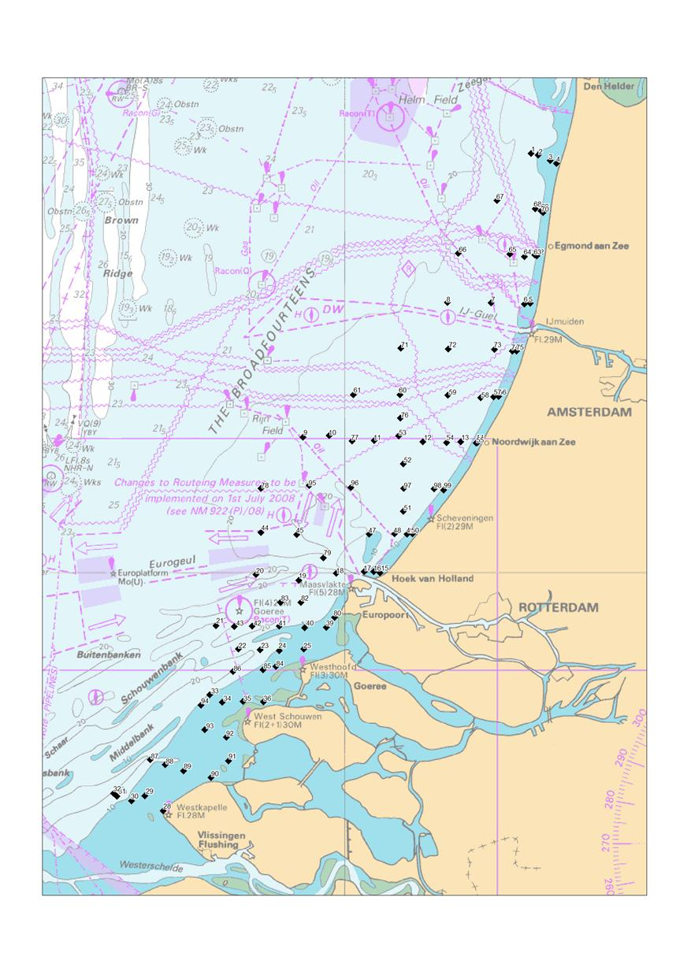

SECTION 1
1

2

3

SECTION 2
4

5

6

SECTION 3
7

8

9

SECTION 4
10
11

12

13

SECTION 5

14

