Read Me
The following sheets contain the larval fish abundance and length data for the surveys conducted in April, July and October 2007, together with ranked overall abundance data for the entire survey in each month. The abundance and length data are provided in separate sheets for April, July and October. Column A in these sheets contains the station number, column B the species of larval fish caught, column C the abundance of the larval fish species per station (expressed as number of fish per 1000m³) OR the length of the fish caught. Where no length is provided for a station with fish in the corresponding abundance data the fish were damaged in some way as to prevent their measurement.
All 100 stations are included in April however only 35 out of the total 100 stations are provided for July and October. The stations processed were chosen at random within sections (5 sections) and depth bands (0-10, 10-15 and 15-25m). The stations analyzed are identified in the tab 'Factors' column 'M'
Dominance tables providing ranked overall abundance throughout each survey are provided in the sheet entitle "Dominance". The overall abundances were calculated by summing the number of fish caught for each species in the entire survey and dividing by the total volume of water filtered during the survey (measured in 1000m³). The three most abundant species in each month are highlighted as the stomach contents of these species will be analysed. Please note that many gobidae parts were found in October which could not be assigned with confidence to a species. It is suspected however , that most (if not all) of these parts belonged to A. minuta.
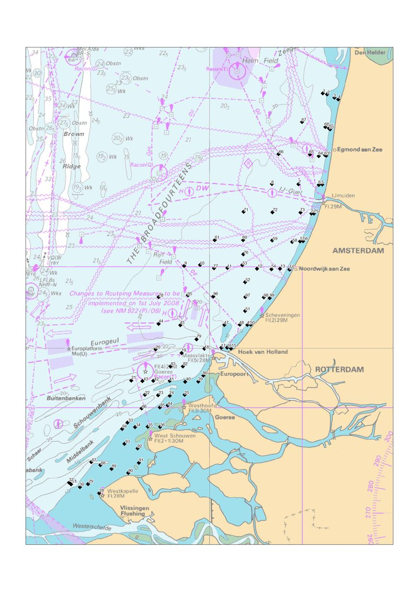

SECTION 1
1

2

3

SECTION 2
4

5

6

SECTION 3
7

8

9

SECTION 4
10
11

12

13

SECTION 5

14

